ART
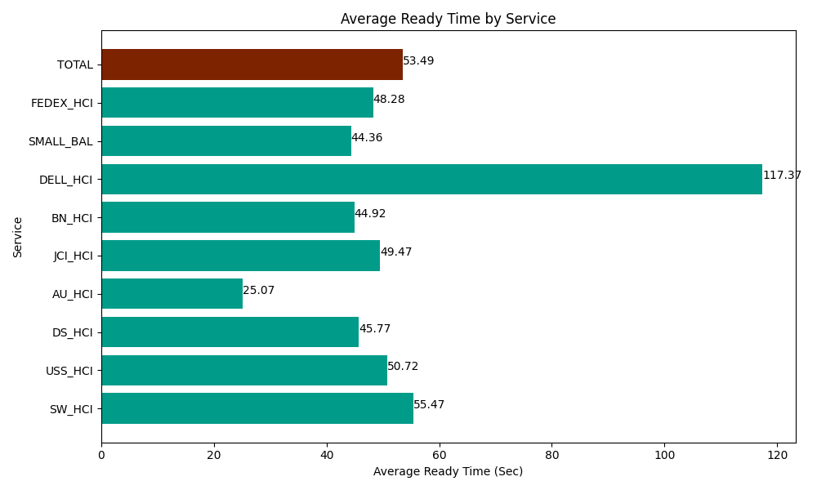
Date | Service | Successful Op Transfer | In Call (Sec) | Ready (Sec) | Wrapup (Sec) | Not Ready (Sec) | Average Ready Time (Sec)
03-20-2024 | SW_HCI | 122 | 4432.2001648 | 6766.7999268 | 9288.0001831 | 11671.200256 | 55.47
03-20-2024 | USS_HCI | 272 | 43384.200439 | 13795.799561 | 36907.800293 | 14971.200256 | 50.72
03-20-2024 | DS_HCI | 708 | 41797.199707 | 32402.999268 | 85550.998535 | 57067.800293 | 45.77
03-20-2024 | AU_HCI | 211 | 16972.800293 | 5290.1998901 | 17380.200806 | 7222.2001648 | 25.07
03-20-2024 | JCI_HCI | 377 | 39412.800293 | 18649.200439 | 50461.201172 | 8998.2000732 | 49.47
03-20-2024 | BN_HCI | 724 | 63159.001465 | 32518.798828 | 93469.196777 | 48451.801758 | 44.92
03-20-2024 | DELL_HCI | 69 | 4925.9999084 | 8098.2000732 | 14134.80011 | 3949.1999817 | 117.37
03-20-2024 | SMALL_BAL | 169 | 11269.80011 | 7496.9998169 | 15958.800659 | 11161.200256 | 44.36
03-20-2024 | FEDEX_HCI | 54 | 5330.9999084 | 2607.0000458 | 5368.2000732 | 2371.7999268 | 48.28
 | TOTAL | 2706 | 230685.00229 | 127625.99785 | 328519.19861 | 165864.60297 | 53.49

